Form revisi 04
 |  | PT. TEKNOLOGI REKAYASA KATUP |  |  |  |  |  |  |  |  |  |  |  |  |  |  | Form No: TRK-PF-MR-007-A Revision: 04 Effective date: January 16, 201 9

 |  | RISK ASSESMENT MANAGEMENT

Report No |  | :
Area |  | :
Scope |  | :

RISK IDENTIFICATION |  |  | RISK ASSESSMENT |  |  |  |  |  |  | RISK CONTROL & PERFORMANCE EVALUATION |  |  | RISK ANALYSIS/ EVALUATION AFTER RISK CONTROL |  |  |  | CONTINGENCY PLAN (IF NEEDED)
1 | 2 | 3 | 4 | 5 | 6 | 7 | 8 | 9 | 10 | 11 | 12 | 13 | 14 | 15 | 15 | 16 | 17
No. | PROCESS | TREAT & OPPORTUNITIES | IMPACT | APPLICABLE REQUIREMENT | EXISTING CONTROL THAT HAVE BEEN AVAILABLE | RISK ASSESMENT |  |  |  | RISK CONTROL | PERFORMANCE INDICATORS PROCESS | DOCUMENTED INFORMATION | RISK ASSESMENT |  |  |  | YES OR NO
 |  |  |  |  |  | P | S | R | Status |  |  |  | P | S | R | Status
ISSUE OF INTERNAL / EXTERNAL COMPANY

NEEDS & RELATED PARTIES EXPECTATION

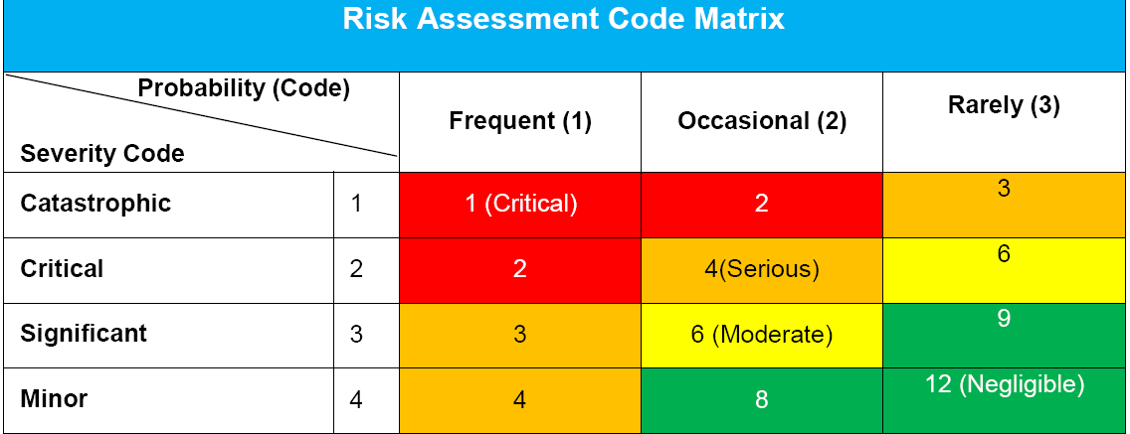
Note:
Contingency Planning for Serious & Critical risk assesment status (Form No: TRK-PF-MR-007-B):
is a disaster recovery plan, the second option or a backup plan, if the primary approach fails to function as it should./ Adalah suatu rencana pemulihan bencana, opsi kedua atau sebagai back up rencana, jika pendekatan yang utama gagal untuk berfungsi sebagaimana yang dibutuhkan.
Frequent = approximately once daily occur / terjadi kira-kira sekali dalam sehari
Occasional = once a week to once month occur/ terjadi sekali dalam seminggu sampai sekali dalam
sebulan
Rarely = has been known to occur/ telah diketahui pernah terjadi
Prepared by,
Name : _______________
Date :
Approved by,
Name : ________________
Date :

